Sheet1
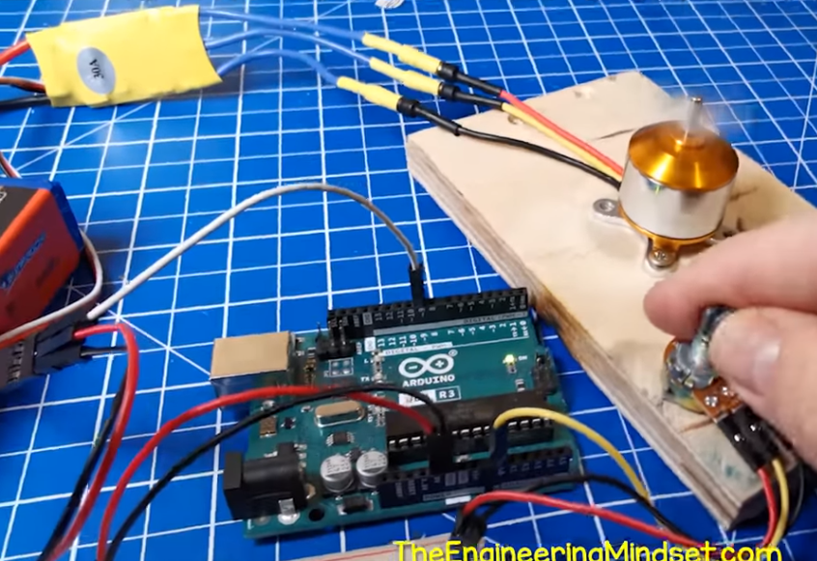
 |  |  |  |  |  |  |  | References: |  | images:
goal: | to rotate a magnet using an ESP32 |  |  |  |  |  |  | [1] | https://electronics.stackexchange.com/questions/354513/total-current-used-by-a-brushless-dc-motor | [4] | final_setup.png
 |  |  |  |  |  |  |  | [2] | https://www.youtube.com/watch?v=k2VDvL4wtJs&list=PLX-JqQpYfm1XB372KrjxN2yxgd2iYslIc&index=22&t=432s
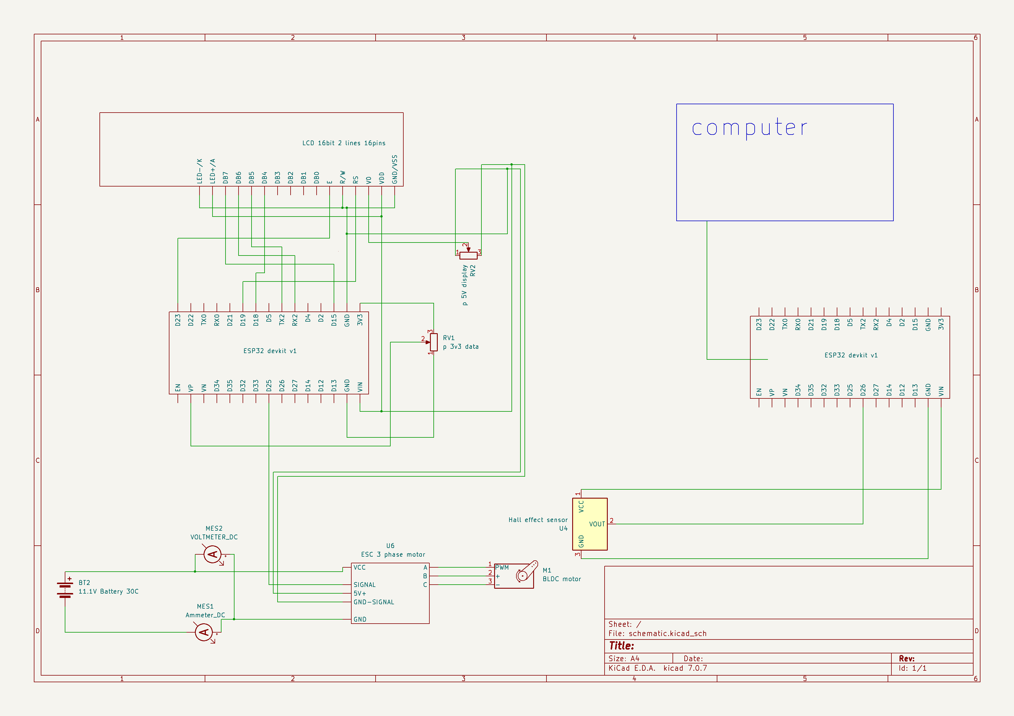
scope and delimitation | ~will not bother to determine the efficiency of motor |  |  |  |  |  |  | [3] | https://www.nidec.com/en/technology/motor/basic/00019/
 |  | … torque output |  |  |  |  |  | [4] | https://www.youtube.com/watch?v=qOzE5F5vFGs
 |  | … energy losses |  |  |  |  |  | [5] | https://www.circuitschools.com/interfacing-16x2-lcd-module-with-esp32-with-and-without-i2c/
 |  | … mechanical output power |  |  |  |  |  | [6] | https://esp32.com/viewtopic.php?t=22563
 |  |  |  |  |  |  |  | [7] | https://kkhobby.biz/guide/HOBBYWING_SKYWALER_manual.pdf
 |  |  |  |  |  |  |  | [8] | https://drones.stackexchange.com/questions/101/what-does-bec-sbec-ubec-and-opto-mean-for-brushless-motor-escs
 |  |  |  |  |  |  |  | [9] | https://theengineeringmindset.com/arduino-code-bldc-motor/
 |  |  |  |  |  |  |  | [10] | https://lastminuteengineers.com/esp32-pinout-reference/
rrl |  |  |  | notes sa rrl: | do the thing enclosed in the curly bracket "{thing}" | eg: | {brief} | [11] | https://www.youtube.com/watch?v=pIflB4FQpNE&t=369s
 | ~ pulse width modulation (pwm) |  |  |  | references ang [] | eg: | [1]
 |  | … a technique to control the average voltage over time.

 |  | … as voltage is applied to the coils, the current lags as coils are considered as inductors. Hence, a general rule of thumb for the amount of current that flows in each phases are shown in this picture: [1]

 | ~ batteries
 |  | … as discussed above (from the picture [1]), the rate of discharge matters for electric motors. C rating are the basis of how consumers that are often used for keeping thefast a battery discharges its current.

 |  |  | &&&
 | ~ motors
 |  | types of motors {brief, need mo bawasan kunte; magfocus tayo sa bldc or pmsm bldc motor, basta brief intro lang}
 |  | … bldc motor:
 |  |  | &&& brief intro
 |  |  | &&& the magnetic fields vary so to move the magnets attached to the rotor [ ].

 |  |  | A simple setup can be seen here [4]

 | ~ Electromagnet
 |  | the coils acts as the electromagnets for the motor.
 |  | … How these coils are wound affects the efficiency of motor itself.
 |  | … Poles typically refer to the magnets of the rotor.
 |  |  | having more means finer control and higher torque
 |  |  | having less, means higher speed and less torque

Methodology:
 | ~ This is the whole schematic of the circuit (see final_setup.png)
 |  | ... LCD display
 |  |  | An article laid a tutorial on how to setup an LCD 16X2 module without an l2C adapter [5]
 |  |  | the physical setup is as what is shown in final_setup.png;
 |  |  | The reason why specific pins are used in such a way is outside of the scope of the study.
 |  |  | the only purpose why it was used is because we cannot use the computer to monitor important values in controlling the motor
 |  |  | these values include: potentiometer position -- in volts, and percentage
 |  |  | Regardless if the BEC of the ESC outputs 5V into the controller (BEC will be discussed further into the ESC section), we run the risk of damaging the microcontroller, other components or even the computer itself if we were to power the whole controller circuit through the USB port, while also providing power through either VIN or 3V3 pins [6].

 |  | ... 10k ohm potentiometers
 |  |  | One potentiometer (RV2) is incharge for adjusting the contrast of the LCD's screen.
 |  |  | The reason why it is included in the circuit is outside of the scope for the study.

 |  |  | Another potentiometer (RV1) dictates the speed for the motor. The VP pin (specifically pin 36) listens to the voltage varying voltage that passes through the potentiometer. This input is then fed onto the ESC pin (data pin 25).

 |  | ... Battery {show picture}
 |  |  | LiPo 11.1V battery 30C 1400mAh is used for the motor;
 |  |  | It can theoretically safely deliver 42 amps (30x1.4) in 2 minutes (60/30). Which gives the limit on how thick and how long should be used for the coils.

 |  | ... Wattmeter {show picture}
 |  |  | It is of no importance to focus on this as it only monitors the consumption of the battery (watt, amps, volts).
 |  |  | It works as a substitute for multiple Digital Multimeters, as we are limited to the quantity of such.

 |  | ... Electronic Speed Controller {show picture}
 |  |  | It serves as the inverter for the motor, and a power distributor for the whole controller (left side circuit)
 |  |  | It was considered that we will make a DIY version, but we saw how costly it would become. Hence, the component used is Hobbywing Skywalker 20A 2-3S. According to the manual, it can only provide 20A of continuous current and 25A for 10s [7].
 |  |  | This makes another limit as to how thick and how long should the wires be for the coils.
 |  |  | Given that the battery can discharge 42A, BLDC motors usually consists of 3 phases; hence, the duty cycle per cycle is (2/3) of the time.
 |  |  | That is, theoretically at full throttle, two thirds of 42A is 28A, which is a risk for overheating ESCs, or possibly an exploding one.
 |  |  | The reason why this ESC was chosen is due to the design compatible with the previous batteries'. Those batteries, however, has 2C rating and a capacity of 3Ah. Which is within the capabilities of the current ESC.
 |  |  | This, however, made us realize that we need to consider higher C ratings because some other group needs the batteries that we have and the capabilities of our 20A ESC is not fully used, albeit it being a "luxury" problem.
 |  |  | The ESC used has multiple settings that the users can adjust but it is outside of the scope of the study to tweak such settings.

 |  |  | The BEC output stands for Battery Elimination Circuit output. It is responsible for powering the the PWM and other components, eliminating the need for any external batteries besides the 11.1V one [8].
 |  |  | Luckily, it provides 5V and can deliver 2A which should be enough for the needs of our controller circuit as it is outside of the scope for measuring the power consumption of the said circuit.

 |  | ... Microcontroller {show picture}
 |  |  | ESP32 devkit v1 board was used as the Pulse Width Modulator (PWM).
 |  |  | As discussed above, the PWM sends signal to the inverter (ESC) to turn some switches on and off with a specific timing.
 |  |  | This controller was salvaged from previous projects, hence, it being the primary motivation for constructing this project -- a BLDC motor.
 |  |  | ESP32s can be coded in an arduino fashion, but it is not an arduino. The code was copy and pasted from this article [9]. It utilized a library called
 |  |  | The only thing we decided on our own was the input (RV1) for our PWM.
 |  |  | Using a simple pin-out reference of the board {show picture} [10], each GPIO pins can only operate in 3.3 volts which makes it perfect since the board itself can provide 3.3 volts of power to the potentiometer through the 3V3 pin connected to either of the two grounds. We can pick anywhere since all GPIO pins support PWM, but GPIO36 (VP pin) was chosen since it makes things organized when assembling it.

 |  |  | The value of RV1 is shown on the LCD, and as discussed earlier, the setup and how it came to be is outside of the scope of the study. Its only purpose was to eliminate the use of USB port while being powered with 5V from the BEC of ESC.

 |  |  | Another microcontroller at the right is responsible for the speed detection of the motor with the use of a A3144 (a hall effect sensor) {show picture hall effect sensor.png}
 |  |  | Same thing can be said -- all GPIO pins supports interrupt (the code needs interrupts; it is not modified except the GPIO pin); AND with a copy pasted code from [11]
 |  |  | The speed is shown in the monitor of the computer.
 |  |  | Using the hall sensor, it is by default, in a LOW state. It only goes into HIGH state whenever there is a south magnetic pole detected within its range. The copy and pasted code shows the speed in multiples of 60; it is stated that in every second, it counts how many HIGH states the sensor had sensed. However, in our case para sa motor namin, no wei. There are four poles (will be discussed further); and two of these magnets allows the sensor to send a HIGH state. Hence, the rpm will be shown into multiples of 30.

 |  |  | Concerning the pin allocation, the hall effect sensor is powered by the 5v pin of the microcontroller (which is powered by the usb port). While the data pin is connected to GPIO26.

 |  | … motor
 |  |  | PLA filament was used to print the chassis of the motor

Conclusion:
 | We are afraid to test its max speed because the motor's chassis (3d printed parts) is a bit too weak (paraphrase dis sht)
 | {just in case na dumating ung main battery}:
 |  | We could not find if the calculated power consumption (amps and volts) is true or not (
 |  | {todo}: using the battery, find the current draw of the project's motor, and the 1000kv motor
 | {back up battery}:
 |  | unfortunately, the original battery was shorted

